Лист1
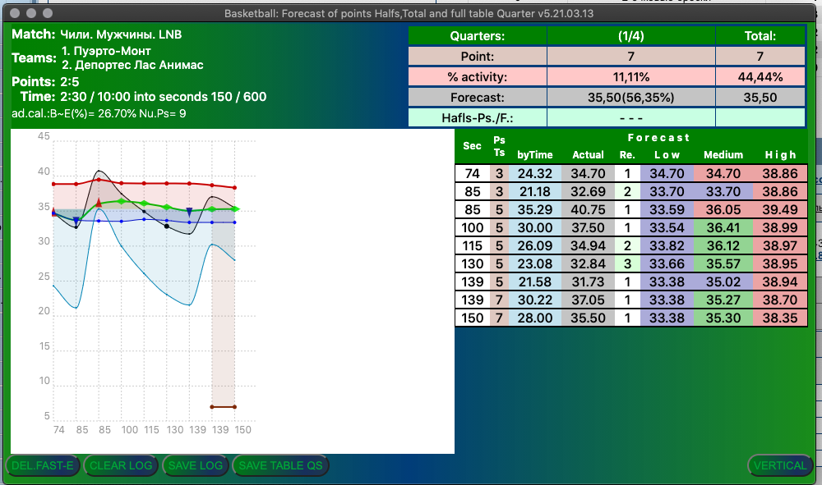

sumPoints = 0, 10, 12, 15, 17, 21, …, … .
lastTimeMatch = 0 - 300, - 600, - 720, - 1200
timeOfQuater = 300 = 600 = 720 = 1200

rateOfQuater = sumPoints / lastTimeMatch
realRate = sumPoints / timeOfQuater;
forecastPointsByTime = rateOfQuater * timeOfQuater

let difPTF = (forecastPointsByTime - sumPoints);
let needsTime = ((difPTF / 2) * throwingTime);
let endTime = (timeOfQuater - (needsTime + lastTimeMatch));
let forecastPointsByEndTime = ((sumPoints + difPTF) + (endTime / throwingTime));

